Sheet1
ID | SMILES | Molecular Weight | original name | Mol
B001 | O=C(N[Se]1)C2=C1C=CC=C2 | 198.08 | Se-1 | 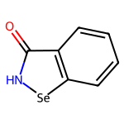
B002 | O=C(N[Se]1)C2=C1C=C(Cl)C=C2 | 232.53 | Se-2 | 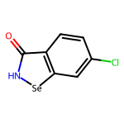
B003 | O=C(N[Se]1)C2=C1C=CC(Br)=C2 | 276.98 | Se-3 | 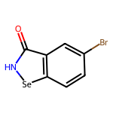
B004 | O=C1C2=C([Se]N1)C=CC(C(F)(F)F)=C2 | 266.08 | Se-28 | 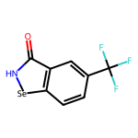
B005 | O=C(N(C)[Se]1)C2=C1C=CC=C2 | 212.11 | Se-4 | 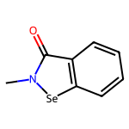
B006 | O=C(N(CC(F)(F)F)[Se]1)C2=C1C=CC=C2 | 280.11 | Se-5 | 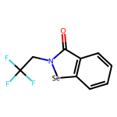
B007 | O=C(N(C1CCCCC1)[Se]2)C3=C2C=CC=C3 | 280.23 | Se-6 | 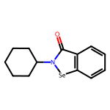
B008 | O=C(N(CC=C)[Se]1)C2=C1C=CC=C2 | 238.15 | Se-7 | 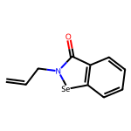
B009 | OCCN1C(C2=CC=CC=C2[Se]1)=O | 242.14 | Se-36 | 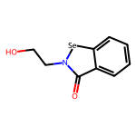
B010 | O=C1C2=C([Se]N1CCC=C)C=CC=C2 | 252.17 | Se-30 | 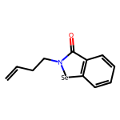
B011 | O=C1N(CCN(C)C)[Se]C2=CC=CC=C12 | 269.21 | Se-31 | 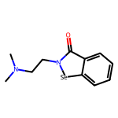
B012 | OC[C@H](N1C(C2=CC=CC=C2[Se]1)=O)C(OC)=O | 300.17 | Se-32 | 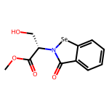
B013 | O=C1C2=C([Se]N1[C@@H](CSC)C(OC)=O)C=CC=C2 | 330.27 | Se-24 | 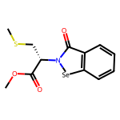
B014 | O=C1N([C@@H](CC(O)=O)C2=CC=CC=C2)[Se]C3=CC=CC=C31 | 346.24 | Se-75 | 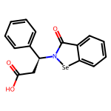
B015 | N=S(C1=CC=CC=C1[Se]C(F)(F)F)(C2=CC=CC=C2)=O | 364.25 | 2a | 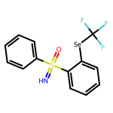
B016 | N=S(C1=CC(C)=CC=C1[Se]C(F)(F)F)(C2=CC(C)=CC=C2)=O | 392.3 | 2b | 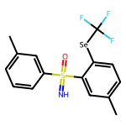
B017 | N=S(C1=CC(OC)=CC=C1[Se]C(F)(F)F)(C2=CC(OC)=CC=C2)=O | 424.3 | 2c | 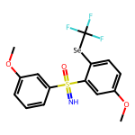
B018 | N=S(C1=CC(Cl)=CC=C1[Se]C(F)(F)F)(C2=CC(Cl)=CC=C2)=O | 433.14 | 2d | 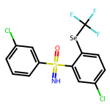
B019 | N=S(C1=CC=C(C)C=C1[Se]C(F)(F)F)(C2=CC=C(C)C=C2)=O | 392.3 | 2e | 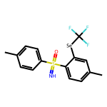
B020 | N=S(C2=CC1=C(C=CC=C1)C=C2[Se]C(F)(F)F)(C4=CC3=C(C=CC=C3)C=C4)=O | 464.37 | 2k | 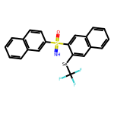
B021 | N=S(C1=CC=CC=C1[Se]C(F)(F)F)(C)=O | 302.18 | 2l | 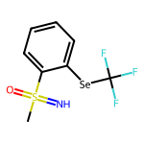
B022 | N=S(C1=CC=C(C)C=C1[Se]C(F)(F)F)(C)=O | 316.21 | 2m | 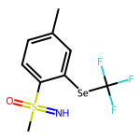
B023 | N=S(C1=CC=C(OC)C=C1[Se]C(F)(F)F)(C)=O | 332.2 | 2n | 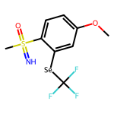
B024 | N=S(C1=CC=C(Cl)C=C1[Se]C(F)(F)F)(C)=O | 336.62 | 2o | 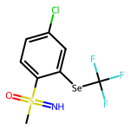
B025 | N=S(C1=CC=C(OC)C=C1[Se]C(F)(F)F)(C2=CC=C(OC)C=C2)=O | 424.3 | 2f | 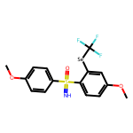
B026 | N=S(C1=CC=C(C(C)(C)C)C=C1[Se]C(F)(F)F)(C2=CC=C(C(C)(C)C)C=C2)=O | 476.47 | 2g | 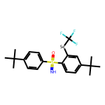
B027 | N=S(C1=CC=C(Cl)C=C1[Se]C(F)(F)F)(C2=CC=C(Cl)C=C2)=O | 433.14 | 2h | 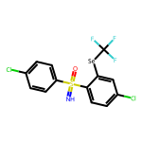
B028 | N=S(C1=CC=C(Br)C=C1[Se]C(F)(F)F)(C2=CC=C(Br)C=C2)=O | 522.04 | 2i | 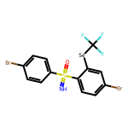
B029 | N=S(C2=CC=C(C1=CC=CC=C1)C=C2[Se]C(F)(F)F)(C4=CC=C(C3=CC=CC=C3)C=C4)=O | 516.45 | 2j | 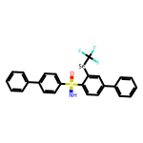
B030 | N=S(C1=CC=C(Br)C=C1[Se]C(F)(F)F)(C)=O | 381.08 | 2p | 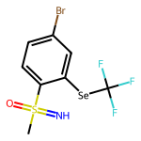
B031 | N=S(C1=C(Cl)C=CC=C1[Se]C(F)(F)F)(C)=O | 336.62 | 2q | 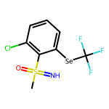
B032 | N=S(C1=C(Br)C=CC=C1[Se]C(F)(F)F)(C)=O | 381.08 | 2r | 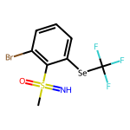
B033 | N=S(C2=CC1=C(C=CC=C1)C=C2[Se]C(F)(F)F)(C)=O | 352.24 | 2s | 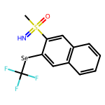
B034 | N=S(C1=CC=CC=C1[Se]C(F)(F)F)(CC)=O | 316.21 | 2t | 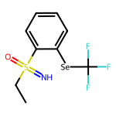
B035 | N=S(C1=CC=CC=C1[Se]C(F)(F)F)(C2CC2)=O | 328.22 | 2u | 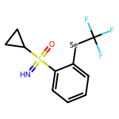
B036 | N=S(C1=CC=CC=C1[Se]C(F)(C(F)(F)F)F)(C2=CC=CC=C2)=O | 414.26 | 3a | 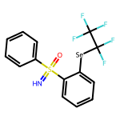
B037 | N=S(C1=CC(C)=CC=C1[Se]C(F)(C(F)(F)F)F)(C2=CC(C)=CC=C2)=O | 442.31 | 3b | 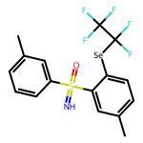
B038 | N=S(C1=CC(OC)=CC=C1[Se]C(F)(C(F)(F)F)F)(C2=CC(OC)=CC=C2)=O | 474.31 | 3c | 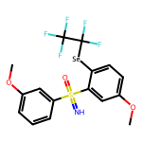
B039 | N=S(C1=CC=C(OC)C=C1[Se]C(F)(C(F)(F)F)F)(C2=CC=C(OC)C=C2)=O | 474.31 | 3d | 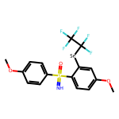
B040 | N=S(C1=CC=C(C(C)(C)C)C=C1[Se]C(F)(C(F)(F)F)F)(C2=CC=C(C(C)(C)C)C=C2)=O | 526.47 | 3e | 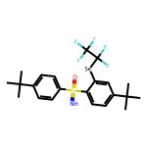
B041 | N=S(C1=CC=C(Cl)C=C1[Se]C(F)(C(F)(F)F)F)(C2=CC=C(Cl)C=C2)=O | 483.15 | 3f | 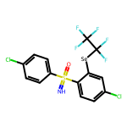
B042 | N=S(C1=CC=C(Br)C=C1[Se]C(F)(C(F)(F)F)F)(C2=CC=C(Br)C=C2)=O | 572.05 | 3g | 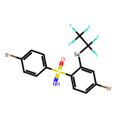
B043 | N=S(C2=CC1=C(C=CC=C1)C=C2[Se]C(F)(C(F)(F)F)F)(C4=CC3=C(C=CC=C3)C=C4)=O | 514.38 | 3h | 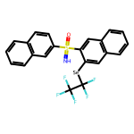
B044 | N=S(C1=CC=CC=C1[Se]C(F)(C(F)(F)F)F)(CC)=O | 366.21 | 3i | 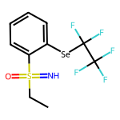
B045 | N=S(C1=CC=CC=C1[Se]C(F)(C(F)(F)F)F)(C2CC2)=O | 378.22 | 3j | 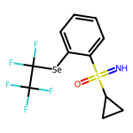
B046 | N=S(C1=CC=C(Cl)C=C1[Se]C(F)(C(F)(C(F)(F)F)F)F)(C2=CC=C(Cl)C=C2)=O | 533.15 | 3k | 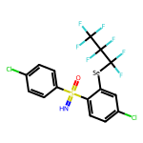
B047 | N=S(C1=CC=CC=C1[Se]C(F)(C(F)(C(F)(F)F)F)F)(C2CC2)=O | 428.23 | 3l | 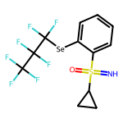
B048 | N=S(C1=CC=CC=C1[Se]C3=CNC2=CC=C(C(F)(F)F)C=C23)(C4=CC=CC=C4)=O | 479.39 | CZ-39 | 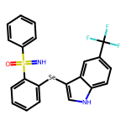
B049 | N=S(C1=CC=CC=C1[Se]C3=CNC2=CC=CC(F)=C23)(C4=CC=CC=C4)=O | 429.38 | CZ-40 | 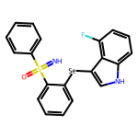
B050 | N=S(C1=CC=CC=C1[Se]C3=CNC2=CC(F)=C(F)C=C23)(C4=CC=CC=C4)=O | 447.37 | CZ-43 | 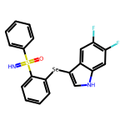
B051 | O=C(NC1=CC=CC=C1)C2=CC=CC=C2[Se]C4=CNC3=CC(C#N)=CC=C34 | 416.34 | ZR-83 | 
B052 | O=C(NC1=CC=CC=C1)C2=CC=CC=C2[Se]C4=CNC3=CC=C(C(F)(F)F)C=C34 | 459.33 | ZR-52 | 
B053 | O=C(NC1=CC=CC=C1)C2=CC=CC=C2[Se]C4=CNC3=CC=C(OC)C=C34 | 421.36 | ZR-53 | 
B054 | O=C(NC1=CC=CC=C1)C2=CC=CC=C2[Se]C4=CNC3=CC=CC=C34 | 391.33 | ZR-54 | 
B055 | O=C(NC1=CC=CC=C1)C2=CC=CC=C2[Se]C4=CNC3=CC=C(C)C=C34 | 405.36 | ZR-55 | 
B056 | O=C(NC1=CC=CC=C1)C2=CC=CC=C2[Se]C4=CNC3=CC=C(F)C=C34 | 409.32 | ZR-56 | 
B057 | O=C(NC1=CC=CC=C1)C2=CC=CC=C2[Se]C4=CNC3=CC=C(Br)C=C34 | 470.23 | ZR-57 | 
B058 | O=C(NC1=CC=CC=C1)C2=CC=CC=C2[Se]C4=CNC3=CC=C(Cl)C=C34 | 425.78 | ZR-58 | 
B059 | O=C(NC1=CC=CC=C1)C2=CC=CC=C2[Se]C4=CNC3=C(Br)C=CC=C34 | 470.23 | ZR-59 | 
B060 | O=C(NC1=CC=CC=C1)C2=CC=CC=C2[Se]C4=CNC3=C(Cl)C=CC=C34 | 425.78 | ZR-60 | 
B061 | O=C(NC1=CC=CC=C1)C2=CC=CC=C2[Se]C4=CNC3=C(F)C=CC=C34 | 409.32 | ZR-61 | 
B062 | O=C(NC1=CC=CC=C1)C2=CC=CC=C2[Se]C4=CNC3=CC=CC(C)=C34 | 405.36 | ZR-62 | 
B063 | O=C(NC1=CC=CC=C1)C2=CC=CC=C2[Se]C4=CNC3=CC(C(O)=O)=CC=C34 | 435.34 | ZR-63 | 
B064 | O=C(NC1=CC=CC=C1)C2=CC=CC=C2[Se]C4=CNC3=C(C(O)=O)C=CC=C34 | 435.34 | ZR-64 | 
B065 | O=C(NC1=CC=CC=C1)C2=CC=CC=C2[Se]C4=CNC3=C(C)C=CC=C34 | 405.36 | ZR-65 | 
B066 | O=C(NC1=CC=CC=C1)C2=CC=CC=C2[Se]C4=CNC3=CC(Br)=CC=C34 | 470.23 | ZR-66 | 
B067 | O=C(NC1=CC=CC=C1)C2=CC=CC=C2[Se]C4=CNC3=C(OC)C=CC=C34 | 421.36 | ZR-67 | 
B068 | O=C(NC1=CC=CC=C1)C2=CC=CC=C2[Se]C4=CNC3=CC(F)=C(F)C=C34 | 427.31 | ZR-68 | 
B069 | O=C(NC1=CC=CC=C1)C2=CC=CC=C2[Se]C4=CNC3=CC(F)=CC=C34 | 409.32 | ZR-69 | 
B070 | O=C(NC1=CC=CC=C1)C2=CC=CC=C2[Se]C4=CNC3=CC=CC(Br)=C34 | 470.23 | ZR-70 | 
B071 | O=C(NC1=CC=CC=C1)C2=CC=CC=C2[Se]C4=CNC3=CC=C(C(OC)=O)C=C34 | 449.37 | ZR-82 | 
B072 | O=C(NC1=CC=CC=C1)C2=CC=CC=C2[Se]C4=CNC3=CC=CC(OC)=C34 | 421.36 | ZR-72 | 
B073 | O=C(NC1=CC=CC=C1)C2=CC=CC=C2[Se]C4=CNC3=CC=CC(Cl)=C34 | 425.78 | ZR-73 | 
B074 | O=C(NC1=CC=CC=C1)C2=CC=CC=C2[Se]C4=CNC3=CC(Cl)=CC=C34 | 425.78 | ZR-74 | 
B075 | O=C(NC1=CC=CC=C1)C2=CC=CC=C2[Se]C4=CNC3=CC(Cl)=C(Cl)C=C34 | 460.22 | ZR-75 | 
B076 | O=C(NC1=CC=CC=C1)C2=CC=CC=C2[Se]C4=CNC3=CC=C(OC(F)(F)F)C=C34 | 475.33 | ZR-76 | 
B077 | O=S(C1=CC=CC=C1[Se]C3=CNC2=CC=C(OC(F)(F)F)C=C23)(C4=CC=CC=C4)=N | 495.38 | ZR-77 | 
B078 | O=C(NC1=CC=CC=C1)C2=CC=CC=C2[Se]C4=CNC3=CC=CC(F)=C34 | 409.32 | ZR-78 | 
B079 | O=C(NC1=CC=CC=C1)C2=CC=CC=C2[Se]C4=CNC3=CC=C(C#N)C=C34 | 416.34 | ZR-79 | 
B080 | O=C(NC1=CC=CC=C1)C2=CC=CC=C2[Se]C4=CNC3=CC=C(N(=O)=O)C=C34 | 436.33 | ZR-80 | 
B081 | O=C(NC1=CC=CC=C1)C2=CC=CC=C2[Se]C4=CNC3=C(C(OC)=O)C=CC=C34 | 449.37 | ZR-81 | 
B101 | O=C(N(C1=CC=CC=C1)[Se]2)C3=C2C=CC=C3 | 274.18 | Se-9 | 
B102 | O=C(N(C1=CC=C(F)C=C1)[Se]2)C3=C2C=CC=C3 | 292.17 | Se-10 | 
B103 | O=C(N(C1=CC=C(Cl)C=C1)[Se]2)C3=C2C=CC=C3 | 308.63 | Se-11 | 
B104 | O=C1C2=CC=CC=C2[Se]N1C3=CC=CC(O)=C3 | 290.18 | Se-34 | 
B105 | O=C1C2=CC=CC=C2[Se]N1C(C=C3)=CC=C3C(F)(F)F | 342.18 | Se-161 | 
B106 | O=C1C2=CC=CC=C2[Se]N1C3=CC(C(F)(F)F)=CC=C3 | 342.18 | Se-162 | 
B107 | O=C1C2=CC=CC=C2[Se]N1C3=CC(C#N)=CC=C3 | 299.19 | Se-163 | 
B108 | O=C(N(C1=CC=CC=C1)[Se]2)C3=C2C=CC(C(F)(F)F)=C3 | 342.18 | Se-83 | 
B109 | ClC1=CC=C2C(N([Se]C2=C1)CC3=CC=CC=C3)=O | 322.65 | Se-63 | 
B110 | O=C1N(CC2=CC=CC=C2)[Se]C3=CC([N+]([O-])=O)=CC=C31 | 333.21 | Se-65 | 
B111 | O=C1N([Se]C2=C1C=CC(Cl)=C2)C3=C(Cl)C=C(F)C=C3 | 361.06 | Se-122 | 
B112 | ClC1=CC2=C(C=C1)[Se]N(C2=O)C3=C(Cl)C=C(F)C=C3 | 361.06 | Se-123 | 
B113 | CC1=CC2=C(C=C1)[Se]N(C2=O)C3=CC=C(F)C=C3Cl | 340.64 | Se-124 | 
B114 | O=C(N(C1=CC=CC(C(NC)=O)=C1)[Se]2)C3=C2C=CC(C(F)(F)F)=C3 | 399.23 | Se-172 | 
B115 | O=C(N(CC1=CC=CC=C1)[Se]2)C3=C2C=CC=C3 | 288.21 | Se-131 | 
B116 | O=C(N(CC1=CC(O)=CC=C1)[Se]2)C3=C2C=CC=C3 | 304.21 | Se-171 | 
B117 | O=C(N(CC1=CC=CC=C1)[Se]2)C3=C2C=CC(C)=C3 | 302.24 | Se-132 | 
B118 | O=C(N(CCC1=CC=C(O)C=C1)[Se]2)C3=C2C=CC=C3 | 318.23 | Se-170 | 
B119 | O=C(N(C1=NC=CC=C1)[Se]2)C3=C2C=CC=C3 | 275.17 | Se-13 | 
B120 | O=C(N(C1=CN=CC=C1)[Se]2)C3=C2C=CC=C3 | 275.17 | Se-14 | 
B121 | O=C(N(C1=NC=CC=C1Br)[Se]2)C3=C2C=CC=C3 | 354.06 | Se-15 | 
B122 | O=C(N(CC1=NC=CC=C1)[Se]2)C3=C2C=CC=C3 | 289.2 | Se-16 | 
B123 | O=C(N(C1=NN=CS1)[Se]2)C3=C2C=CC=C3 | 282.19 | Se-17 | 
B124 | O=C(N(C1=NN=C(C)S1)[Se]2)C3=C2C=CC=C3 | 296.21 | Se-18 | 
B125 | O=C(N(C1=NNC(C)=C1)[Se]2)C3=C2C=CC=C3 | 278.17 | Se-20 | 
B126 | O=C(N(C1=NNC2=C1C=CC=C2)[Se]3)C4=C3C=CC=C4 | 314.21 | Se-21 | 
B127 | O=C(N(C1=CC=C(OC2=CC=NC(C(NC)=O)=C2)C=C1)[Se]3)C4=C3C=CC=C4 | 424.32 | Se-22 | 
B128 | O=C(N(C1=CC=C(C(OCCN(CC)CC)=O)C=C1)[Se]2)C3=C2C=CC=C3 | 417.37 | Se-23 | 
B129 | O=C([C@@H](N1C(C2=CC=CC=C2[Se]1)=O)CC3=CC=C(O)C=C3)OC | 376.27 | Se-25 | 
B130 | O=C([C@H](CC1=CNC2=C1C=CC=C2)N3C(C4=CC=CC=C4[Se]3)=O)OC | 399.31 | Se-26 | 
B131 | O=C1C2=CC=CC=C2[Se]N1C3=NC=NC4=C3N=CN4[C@@H]5O[C@H](COC(C)=O)[C@@H](OC(C)=O)[C@H]5OC(C)=O | 574.41 | Se-27 | 
B132 | O=C1C2=C([Se]N1C3=CC4=C(NC=C4)C=C3)C=CC=C2 | 313.22 | Se-33 | 
B133 | O=C1N(C2=CC=C(OC)C=C2)[Se]C3=CC=CC=C31 | 304.21 | Se-38 | 
B134 | O=C1C2=C([Se]N1CC(N[C@H](C(OC)=O)CC(C)C)=O)C=CC=C2 | 383.31 | Se-40 | 
B135 | O=C1C2=C([Se]N1)C=CC(OC)=C2 | 228.11 | Se-42 | 
B136 | O=C1N(C2=CC=CC3=C2N=CC=C3)[Se]C4=CC(C(OC)=O)=CC=C41 | 383.27 | Se-43 | 
B137 | O=C1N(C2=NNC=C2)[Se]C3=C1C=CC=C3 | 264.15 | Se-45 | 
B138 | O=C1N(C2=NN(C)C=C2)[Se]C3=C1C=CC=C3 | 278.17 | Se-46 | 
B139 | O=C1C2=C([Se]N1C3=CNN=C3)C=CC=C2 | 264.15 | Se-47 | 
B140 | O=C1C2=C([Se]N1C3=CN(C)N=C3)C=CC=C2 | 278.17 | Se-48 | 
B141 | O=C1C2=C([Se]N1C3CCN(C)CC3)C=CC=C2 | 295.24 | Se-49 | 
B142 | O=C(N1C2=NC=CO2)C3=C([Se]1)C=CC=C3 | 265.13 | Se-51 | 
B143 | O=C(N1C2=NN=C(CC)S2)C3=C([Se]1)C=CC=C3 | 310.24 | Se-52 | 
B144 | O=C(N1C2=NN=C(C(C)C)S2)C3=C([Se]1)C=CC=C3 | 324.27 | Se-53 | 
B145 | O=C(N1C2=NN=C(CCC)S2)C3=C([Se]1)C=CC=C3 | 324.27 | Se-54 | 
B146 | O=C(N1C2=NN=C(C3CCCC3)S2)C4=C([Se]1)C=CC=C4 | 350.3 | Se-55 | 
B147 | O=C1N(C2=NN=C(C(C)(C)C)S2)[Se]C3=C1C=CC=C3 | 338.29 | Se-57 | 
B148 | O=C(N1C2=NN=C(C(F)(F)F)S2)C3=C([Se]1)C=CC=C3 | 350.18 | Se-58 | 
B149 | O=C(N1C2=NN=C(C3CCC(F)(F)CC3)S2)C4=C([Se]1)C=CC=C4 | 400.31 | Se-60 | 
B150 | O=C1C2=C([Se]N1C3=C(Cl)C=C(C(F)(F)F)C=N3)C=CC=C2 | 377.61 | Se-68 | 
B151 | O=C1N(C2=CC(C(F)(F)F)=C(CN3CCN(C)CC3)C=C2)[Se]C4=CC=CC=C14 | 454.35 | Se-70 | 
B152 | O=C([C@@H](NC([C@H](N2C(=O)C1=C(C=CC=C1)[Se]2)CC(C)C)=O)CC3=CC=C(O)C=C3)OC | 489.43 | Se-72 | 
B153 | O=C1N([C@@H](CC2=CC=CC=C2)C(N[C@@H](CC3=CNC4=C3C=CC=C4)C(OC)=O)=O)[Se]C5=CC=CC=C51 | 546.49 | Se-73 | 
B154 | O=C1N(C2=CC=C(CC(O)=O)C=C2)[Se]C3=CC=CC=C31 | 332.22 | Se-74 | 
B155 | O=C1N(C2=CC(OC)=CC(C(O)=O)=C2)[Se]C3=CC=CC=C31 | 348.22 | Se-76 | 
B156 | O=C1N(CCN(CC)CC)[Se]C2=CC=CC=C21 | 297.26 | Se-80 | 
B157 | O=C1N(CCN2CCOCC2)[Se]C3=CC=CC=C31 | 311.24 | Se-81 | 
B158 | CCN(CC)CCCN([Se]C1=CC=CC=C21)C2=O | 311.29 | Se-82 | 
B159 | O=C(N1C2=CC=CC=C2)C3=C([Se]1)C=CC(Br)=C3 | 353.08 | Se-84 | 
B160 | O=C1C2=CC=CC=C2[Se]N1C(C=C3)=CC=C3CNC(OC(C)(C)C)=O | 403.34 | Se-109 | 
B161 | O=C1C2=CC=CC=C2[Se]N1CC3(CCCCC3)CC(O)=O | 352.29 | Se-115 | 
B162 | O=C1N([C@@H](C(C)C)C(N[C@@H](CC2=CNC3=C2C=CC=C3)C(OC)=O)=O)[Se]C4=CC=CC=C41 | 498.44 | Se-116 | 
B163 | O=C1C2=CC=CC=C2[Se]N1CCNC(OC(C)(C)C)=O | 341.27 | Se-117 | 
B164 | O=C(N1C2=C(C)C=C(C(O)=O)C=C2)C3=C([Se]1)C=CC=C3 | 332.22 | Se-118 | 
B165 | O=C(N(CCOCCOCCOCCOCCOCCN=[N+]=[N-])[Se]1)C2=C1C=CC=C2 | 487.42 | Se-127 | 
B166 | O=C(N(C1=C(C)ON=C1C)[Se]2)C3=C2C=CC=C3 | 293.18 | Se-133 | 
B167 | O=C(N(C1=NN(C(C)C)C=C1)[Se]2)C3=C2C=CC=C3 | 306.23 | Se-137 | 
B168 | O=C(N(CC[C@@H](C(O)=O)NC(OCC1C(C=CC=C2)=C2C3=C1C=CC=C3)=O)[Se]4)C5=C4C=CC=C5 | 521.43 | Se-138 | 
B169 | OC([C@@H](NC(OCC1C(C=CC=C2)=C2C3=C1C=CC=C3)=O)CCCCN4[Se]C(C=CC=C5)=C5C4=O)=O | 549.49 | Se-139 | 
B170 | O=C(N(C1=NN(C2CC(F)(F)C2)C=C1)[Se]3)C4=C3C=CC=C4 | 354.22 | Se-165 | 
B171 | O=C1C2=CC=C(C(OC)=O)C=C2[Se]N1C3=C4C(C=CC=N4)=CC=C3 | 383.27 | Se-173 | 
B172 | O=C(N([C@@H]1CCNC1)[Se]2)C3=C2C=CC=C3.Cl | 303.65 | Se-107 | 

